Results
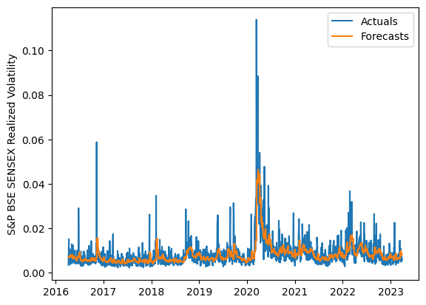
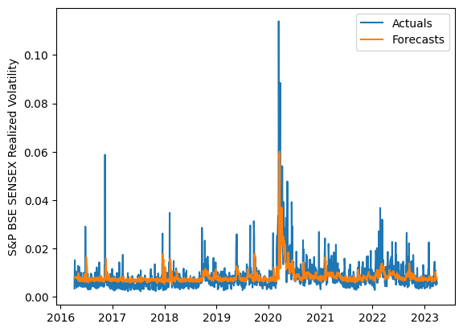
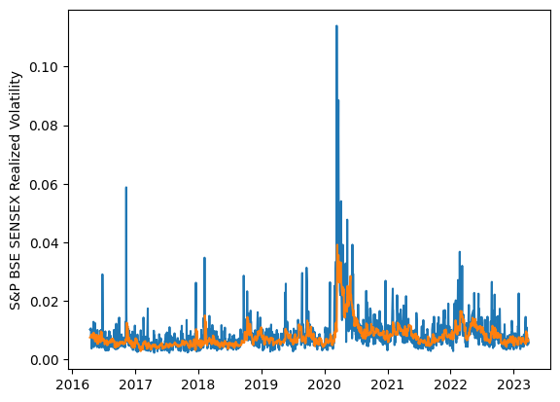
 | LSTM |  |  | TCN |  |  | NBEATSx |  |  |  |  | LSTM |  |  | TCN |  |  | NBEATSx
 | Accuracy | RMSE | Qlike | Accuracy | RMSE | Qlike | Accuracy | RMSE | Qlike |  |  | Accuracy | RMSE | Qlike | Accuracy | RMSE | Qlike | Accuracy | RMSE | Qlike
Trial 1 | 63.81% | 0.28% | 8.90% | 58.77% | 0.31% | 11.27% | 69.30% | 0.27% | 9.44% |  | Mean | 65.28% | 0.278% | 0.085 | 55.92% | 0.321% | 0.120 | 69.38% | 0.273% | 0.096
Trial 2 | 64.49% | 0.28% | 8.68% | 63.61% | 0.30% | 9.52% | 70.10% | 0.27% | 9.59% |  | Standard Deviation | 3.75% | 0.013% | 0.011 | 4.72% | 0.020% | 0.016 | 0.41% | 0.002% | 0.001
Trial 3 | 66.68% | 0.27% | 8.04% | 51.97% | 0.33% | 13.50% | 69.36% | 0.27% | 9.50% |  | 95% CI upper bound | 72.78% | 0.305% | 0.108 | 65.36% | 0.361% | 0.153 | 70.19% | 0.277% | 0.098
Trial 4 | 66.02% | 0.27% | 8.24% | 56.18% | 0.31% | 11.79% | 68.96% | 0.27% | 9.44% |  | 95% CI lower bound | 57.77% | 0.252% | 0.063 | 46.48% | 0.281% | 0.088 | 68.57% | 0.269% | 0.093
Trial 5 | 65.87% | 0.27% | 8.26% | 51.26% | 0.34% | 13.61% | 69.38% | 0.27% | 9.46% |  | 99.7% CI upper bound | 76.54% | 0.318% | 0.119 | 70.08% | 0.381% | 0.169 | 70.60% | 0.279% | 0.099
Trial 6 | 66.04% | 0.27% | 8.21% | 55.08% | 0.32% | 12.21% | 68.45% | 0.28% | 9.42% |  | 99.7% CI lower bound | 54.01% | 0.239% | 0.052 | 41.76% | 0.261% | 0.071 | 68.16% | 0.267% | 0.092
Trial 7 | 68.59% | 0.27% | 7.57% | 58.79% | 0.30% | 10.88% | 69.59% | 0.27% | 9.55%
Trial 8 | 57.10% | 0.31% | 11.11% | 56.65% | 0.31% | 11.50% | 69.35% | 0.27% | 9.51%
Trial 9 | 68.83% | 0.27% | 7.59% | 45.10% | 0.37% | 15.87% | 69.43% | 0.27% | 9.69%
Trial 10 | 64.66% | 0.28% | 8.63% | 59.93% | 0.31% | 10.73% | 69.70% | 0.27% | 9.77%
Trial 11 | 67.46% | 0.27% | 7.82% | 55.56% | 0.32% | 12.10% | 69.69% | 0.27% | 9.66%
Trial 12 | 70.44% | 0.27% | 7.18% | 51.34% | 0.34% | 13.68% | 69.71% | 0.27% | 9.52%
Trial 13 | 58.11% | 0.31% | 10.76% | 53.94% | 0.33% | 12.47% | 69.45% | 0.27% | 9.47%
Trial 14 | 62.57% | 0.29% | 9.30% | 59.56% | 0.31% | 10.69% | 69.47% | 0.27% | 9.67%
Trial 15 | 68.47% | 0.27% | 7.68% | 61.04% | 0.30% | 10.44% | 68.76% | 0.28% | 9.68%

 | LSTM (best trial) |  |  |  |  |  |  |  |  | TCN (best trial) |  |  |  |  |  |  |  |  | NBEATSx (best trial)

